Orginal cases
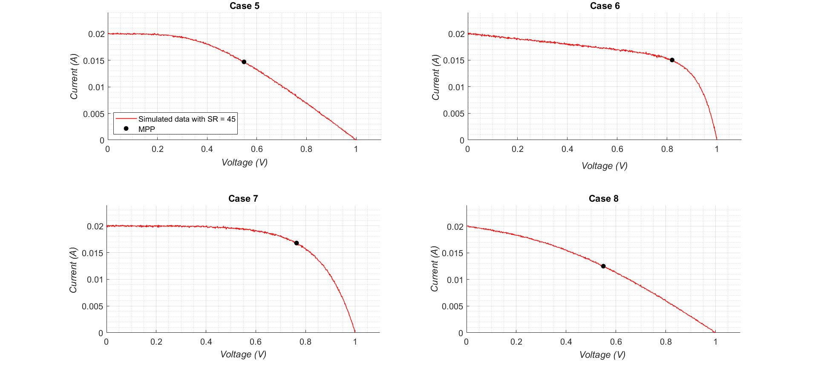
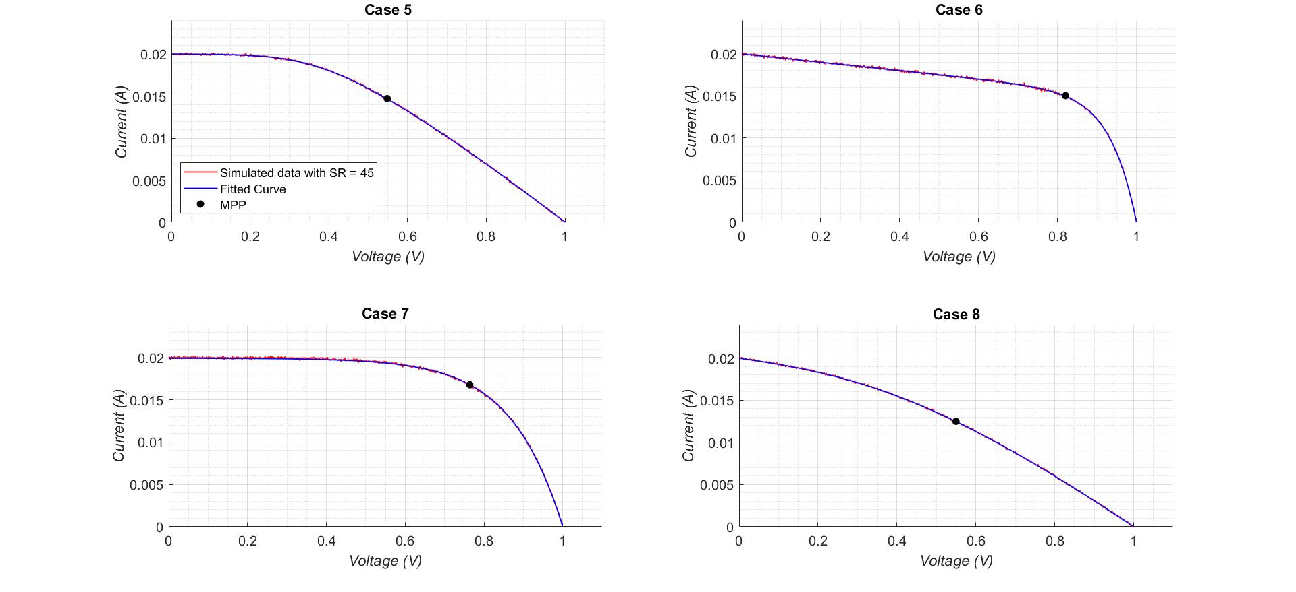
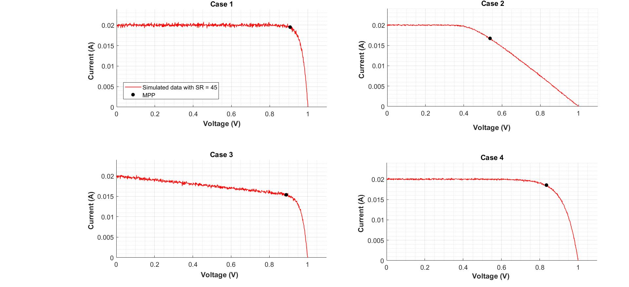
Case | Actual |  |  | Extracted |  |  | Percentage Error |  |  | RMSE | ALL WITH NOISE
 | Rs | Rsh | n | Rs | Rsh | n | Rs | Rsh | n
1 | 0.10 | 1.00E+06 | 1.00 | 0.07 | 4.18E+04 | 1.00 | 33.08 | 95.82 | 0.00 | 1.32E-04
2 | 25.00 | 1.00E+06 | 1.00 | 25.05 | 4.22E+03 | 1.00 | 0.21 | 99.58 | 0.00 | 4.41E-05
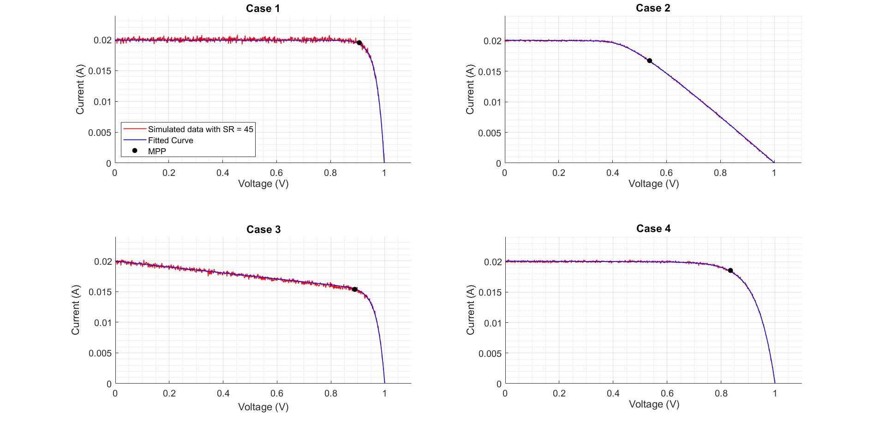
3 | 0.10 | 2.00E+02 | 1.00 | 0.00 | 2.08E+02 | 1.06 | 99.90 | 3.85 | 5.53 | 1.12E-04
4 | 0.10 | 1.00E+06 | 2.50 | 0.14 | 6.63E+03 | 2.45 | 40.15 | 99.34 | 1.80 | 5.23E-05

Case | Actual |  |  | Extracted |  |  | Percentage Error |  |  | RMSE
 | Rs | Rsh | n | Rs | Rsh | n | Rs | Rsh | n
5 | 25.00 | 1.00E+06 | 2.50 | 25.22 | 4.58E+03 | 2.42 | 0.86 | 99.54 | 3.09 | 3.20E-05
6 | 0.10 | 2.00E+02 | 2.50 | 0.02 | 2.02E+02 | 2.53 | 79.86 | 0.78 | 1.24 | 4.11E-05
7 | 0.10 | 1.00E+06 | 5.00 | 0.53 | 3.11E+04 | 4.72 | 426.42 | 96.89 | 5.55 | 7.62E-05
8 | 25.00 | 2.00E+02 | 5.00 | 25.02 | 2.09E+02 | 5.00 | 0.06 | 4.70 | 0.01 | 2.79E-05

Literature
 |  |  |  |  |  |  |  |  | `
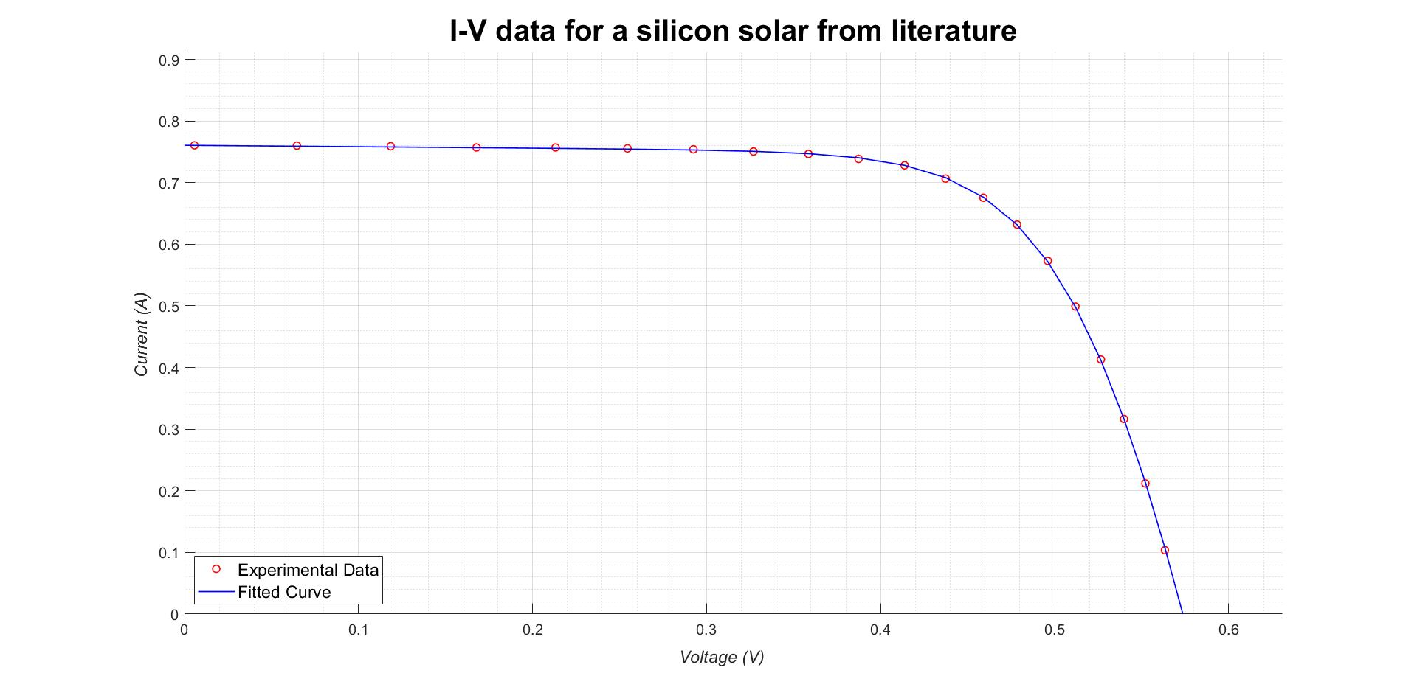
Rs |  |  | Rsh |  |  | n |  |  | RMSE | RMSE | RMSE
Our method | Bee swarm | %Error | Our method | Bee swarm | %Error | Our method | Bee swarm | %Error | Our method | Bee swarm | %difference
0.043 | 0.036 | 17.34 | 43.71 | 53.40 | 18.15 | 1.43 | 1.48 | 3.48 | 2.50E-03 | 9.86E-04 | 86.85
REFERENCE:::::::https://link.springer.com/content/pdf/10.1007/s40095-015-0198-5.pdf

 |  |  |  |  |  |  |  |  |  | `

Pervoskite for presentation
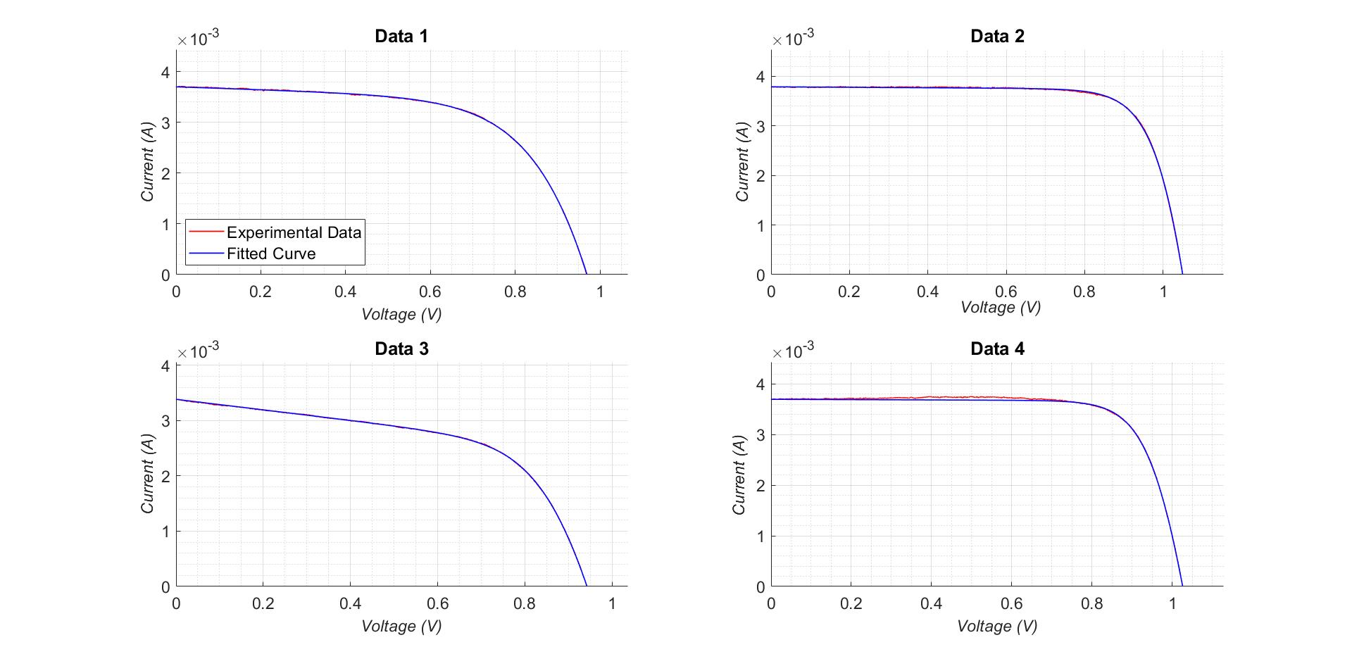

Data | R_s | R_sh | n | RMSE
 | "(Ω)" | "(kΩ)" |  | (10^(-6) )
1 | 7.2 | 3.5 | 4.1 | 7
2 | 5.7 | 21.3 | 2.1 | 11
3 | 17 | 1 | 2.6 | 5
4 | 10 | 33 | 1.9 | 33

